NRCC Headers
First & Last Page Heading
 | User input | auto calculated | From another Table |  | From look up table
STATE OF CALIFORNIA
Outdoor Lighting
NRCC-LTO-E |  |  |  | CALIFORNIA ENERGY COMMISSION
CERTIFICATE OF COMPLIANCE |  |  |  |  | NRCC-LTO-E
This document is used to demonstrate compliance with requirements in §110.9, §130.0, §130.2, §140.7, and §141.0(b)2L for outdoor lighting scopes using the prescriptive path for nonresidential and hotel/motel occupancies. It is also used to document compliance with requirements in §160.5, §170.2(e)6, §180.1(a) and §180.2(b)4Bv for outdoor lighting scopes using the prescriptive path for multifamily and mixed-use occupancies. Multifamily includes dormitory and senior living facilities.
Project Name: |  |  |  | Report Page: | Page 1 of ??
Project Address: |  |  |  | Date Prepared:

 | This is a heading. The project name, address and date prepared should be a user input on the first page, but that should populate the heading on all other pages.

Heading all other pages
STATE OF CALIFORNIA
Outdoor Lighting
NRCC-LTO-E |  |  |  | CALIFORNIA ENERGY COMMISSION
CERTIFICATE OF COMPLIANCE |  |  |  |  | NRCC-LTO-E
Project Name: |  |  |  | Report Page: | Page 1 of ??
Project Address: |  |  |  | Date Prepared:

LMCC Headers
First & Last Page Heading
 | User input | auto calculated | From another Table |  | From look up table
STATE OF CALIFORNIA
Outdoor Lighting
LMCC-LTO-01-E |  |  |  | CALIFORNIA ENERGY COMMISSION
CERTIFICATE OF COMPLIANCE |  |  |  |  | LMCC-LTO-01-E
This document is used to demonstrate compliance with requirements in §110.9, §130.0, §130.2, §140.7, and §141.0(b)2L for outdoor lighting scopes using the prescriptive path for nonresidential and hotel/motel occupancies in low-rise multifamily mixed-use buildings. It is also used to document compliance with requirements in §160.5, §170.2(e)6, §180.1(a) and §180.2(b)4Bv for outdoor lighting scopes using the prescriptive path for low-rise multifamily occupancies. Multifamily includes dormitory and senior living facilities.
Project Name: |  |  |  | Report Page: | Page 1 of ??
Project Address: |  |  |  | Date Prepared:

 | This is a heading. The project name, address and date prepared should be a user input on the first page, but that should populate the heading on all other pages.

Heading all other pages
STATE OF CALIFORNIA
Outdoor Lighting
LMCC-LTO-01-E |  |  |  | CALIFORNIA ENERGY COMMISSION
CERTIFICATE OF COMPLIANCE |  |  |  |  | LMCC-LTO-01-E
Project Name: |  |  |  | Report Page: | Page 1 of ??
Project Address: |  |  |  | Date Prepared:

A. General Info
 |  | User input | auto calculated |  |  |  | From another Table | From look up table

A. GENERAL INFORMATION
01 | Project Location (city) |  |  |  | 04 | Total Illuminated Hardscape Area (ft2)
02 | Climate Zone
03 | Outdoor Lighting Zone per Title 24, Part 1 §10-114 or as designated by Authority Having Jurisdiction (AHJ):
¨ | LZ-0: Very Low- Undeveloped Parkland |  | ¨ | LZ-2: Moderate- Urban Areas | ¨ | LZ-4: High-Must be reviewed by CA Energy Commission for Approval
¨ | LZ-1: Low- Rural Areas |  | ¨ | LZ-3: Moderately High- Urban Areas
05 | Occupancy Types within Project:
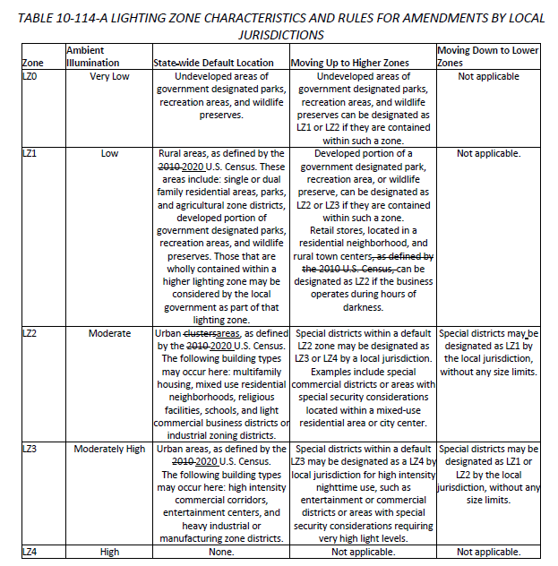

 |  |  |  | If user selects MF occupancy, (even if mixed-use) the MF subtable in I is the only ones that applies.

B. Project Scope
 |  | User input |  | auto calculated |  |  | From another Table |  | From look up table

B. PROJECT SCOPE
This table includes outdoor lighting systems that are within the scope of the permit application and are demonstrating compliance using the prescriptive path outlined in §140.7/§170.2(e)6 or §141.0(b)2L/§180.2(b)4Bv for alterations.
My project consists of:
01 |  |  | 02
¨ | New Lighting System |  | Must Comply with Allowances from §140.7/§170.2(e)6.
¨ | Altered Lighting System |  | Is your alteration increasing the connected lighting load (Watts)? |  |  | o Yes | o No
03 |  |  |  | 04 | 05
Row 12 shows up if "New Lighting System" is selected, or if Altered Lighting System column 02 is "Yes"
% of Existing Luminaires Being Altered1 |  |  |  | Sum Total of Luminaires Being Added or Altered | Calculation Method
o < 10% |  | o ≥ 10% and < 50% | o ≥ 50% |  | Dropdown, see below for list (custom)
Please proceed to Table F. Outdoor Lighting Fixture Schedule to define the project's luminaires.
1 FOOTNOTES: % of Existing Luminaires Being Altered = (Sum Total of Luminaires Being Added or Altered / Existing Luminaires within the Scope of the Permit Application) x 100

 |  |  |  | This is the dropdown if > 50% is clicked in column 03 >> | Calculation Method Dropdown
 |  |  |  |  | Calculated Allowance per §140.7/§170.2(e)6 |  |  | << triggers Table I.
 |  |  |  |  | 40% Reduced Wattage Exception per §141.0(b)2L/§180.2(b)4Bv |  |  | << triggers Table N.

 |  |  |  | This is the dropdown if "> 10% and < 50%" or "<10%" is clicked in column 03 >> | Calculation Method Dropdown
 |  |  |  |  | Not Increasing Existing Power Method per §141.0(b)2L/§180.2(b)4Bv |  |  | << triggers Table N.

G. BUG
 | User input |  |  |  |  |  |  | auto calculated |  |  | From another Table |  | From look up table

G. SHIELDING REQUIREMENTS (BUG)
This table includes fixtures of ≥ 6,200 initial luminaire lumens indicated on Table F as needing to comply with Shielding Requirements. Maximum lumens can be found in Title 24, Part 11, Section 5.106.8. |  |  |  |  |  |  |  |  |  |  |  |  |  | No changes to BUG ratings in Table from 2019 Part 6 to 2022 Part 6
01 | 02 | 03 | 04 | 05 | 06 | 07 | 08 | 09 | 10 | 11 | 12
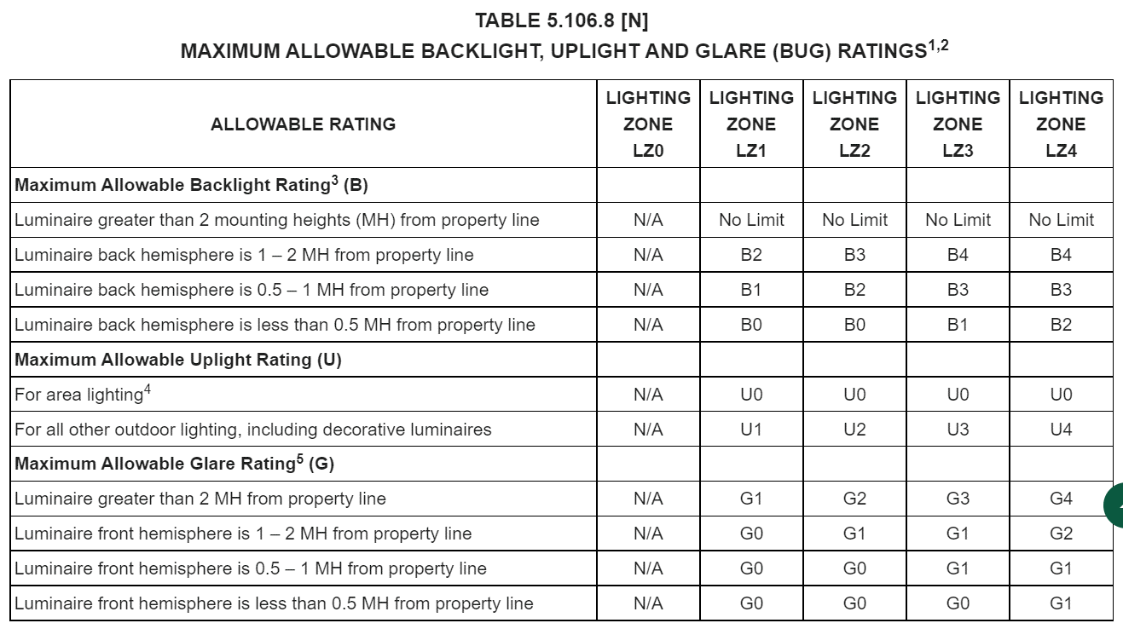
Name or Item Tag | Complete Luminaire Description | Backlight Rating2 |  |  | Uplight Rating 2 |  |  | Glare Rating2 |  |  | Field Inspector
 |  | Mounting Height from Property Line1 | Max Allowable Backlight Rating3 | Backlight Rating Per Design | Lighting Type | Max Allowable Uplight Rating3 | Uplight Rating Per Design | Mounting Height from Property Line1 | Max Allowable Glare Rating3 | Glare Rating Per Design | Pass | Fail
(autofill from Table F) | (autofill from Table F) | dropdown |  |  | dropdown |  |  | dropdown |  |  | o | o
1 FOOTNOTES: Mounting Height is labeled MH in this table
2 Authority having jurisdiction may ask for luminaire cut sheets or other documentation to confirm luminaire type, backlight, uplight,and glare ratings used for compliance per §130.2(b)/§160.5(c).
Luminaires with "Yes" in Table F. column 09 must be transferred to Table G.
3 BUG ratings with a lower number than the 'Max Allowable' are compliant. Ex. If Max Allowable is Bug Rating is B4, then B0, B1, B2, B3 and B4 are all compliant.

 |  | Mounting Height drop down |  |  | dropdown |  |  | Mounting Height drop down
 |  | > 2 MH from property line |  |  | Area Lighting |  |  | > 2 MH from property line
 |  | Back hemisphere 1-2 MH from prop line |  |  | All Other (including decorative) |  |  | Front hemisphere 1-2 MH from prop line
 |  | Back hemisphere 0.5-1 MH from prop line |  |  |  |  |  | Front hemisphere 0.5-1 MH from prop line
 |  | Back hemisphere < 0.5 MH from prop line |  |  |  |  |  | Front hemisphere < 0.5 MH from prop line

I. Allowance General
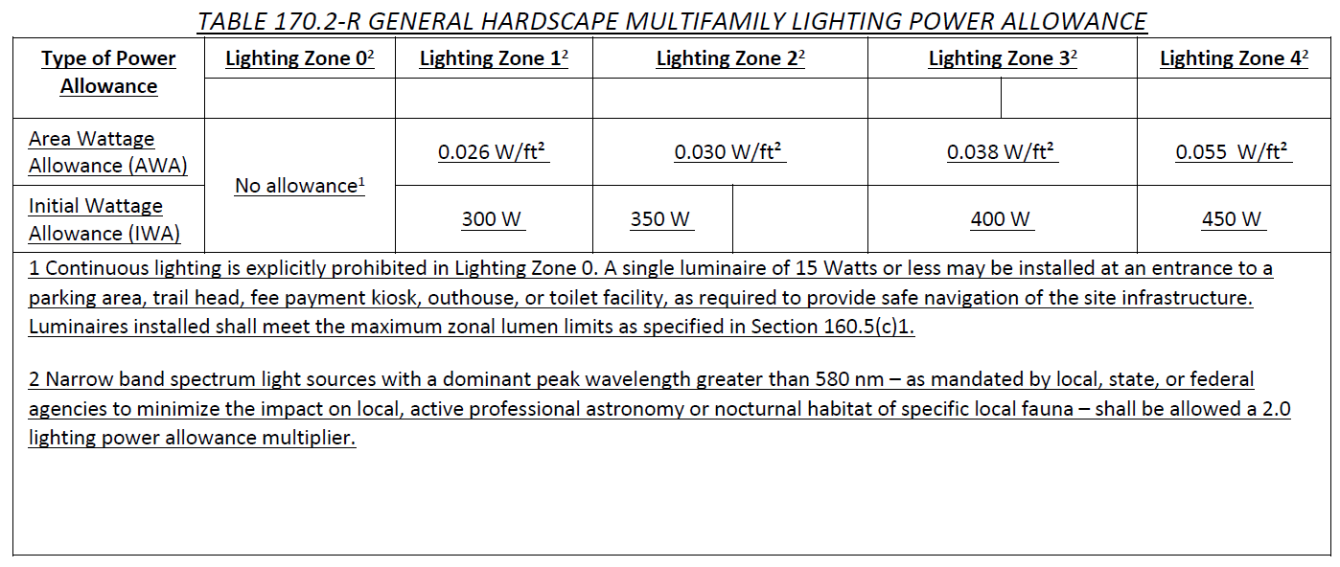
 | User input |  | auto calculated |  |  |  | From another Table |  | From look up table

I. LIGHTING POWER ALLOWANCE (per §140.7/170.2(e))
This table includes areas using the allowance calculations per §140.7/§170.2(e)6. General Hardscape Allowance is per Table 140.7-A/ Table 170.2-R while "Use it or lose it" Allowances are per Table 140.7-B/Table 170.2-S. Luminaires that qualify for one of the "Use it or lose it" allowances shall not qualify for another "Use it or lose it" allowance. Outdoor lighting attached to multifamily buildings and controlled from the inside of a dwelling unit are included in Table H. and are not included here. All other multifamily outdoor lighting is included here. |  |  |  | 01
 |  |  |  | ¨ General Hardscape Allowance | "Use it or lose it" Allowances (select all that apply)
 |  |  |  |  | ¨ Per Application | ¨ Sales Frontage | ¨ Ornamental | ¨ Per Specific Area

 |  |  |  | Table I (below) | Table J | Table K | Table L | Table M
Calculated General Hardscape Lighting Power Allowance per Table 140.7-A for Nonresidential & Hotel/Motel
02 |  | 03 | 04 | 05 | 06 | 07 | 08 | 09
Area Description |  | Area Wattage Allowance (AWA) |  |  | Linear Wattage Allowance (LWA) |  |  | Total General AWA + LWA (Watts)
 |  | Illuminated Area (ft2) | Allowed Density (W/ft2) | Area Allowance (Watts) | Perimeter Length (lf) | Allowed Density (W/lf) | Linear Allowance (Watts)
 |  |  |  | 0 |  |  | 0 | 0
1 FOOTNOTES: Number of entrances to parking areas, trail heads, fee payment kiosks, outhouses and toilet facilities on site where lighting is within project scope. |  |  |  |  |  |  | Initial Wattage Allowance for Entire Site (Watts):
 |  |  |  | Instances of Initial Wattage Allowance (LZ 0 only)1
 |  |  |  | Total General Hardscape Allowance (Watts): |  |  |  | sum of col09+(IWA*instances)

Calculated General Hardscape Lighting Power Allowance per Table 170.2-R for Multifamily & Multifamily Mixed-Use
02 |  |  | 03 |  | 04 |  | 05
Area Description |  |  | Area Wattage Allowance (AWA)
 |  |  | Illuminated Area (ft2) |  | Allowed Density (W/ft2) |  | Area Allowance (Watts)
 |  |  |  |  |  |  | 0 |  | VALUES IN TABLE 140.7-A changed for 2022. Please update accordingly. (This is from 45 day language, need to confirm once adopted) | CEC Note: There is no change to the values of Table 140.7-A of the 2025 Energy Code.
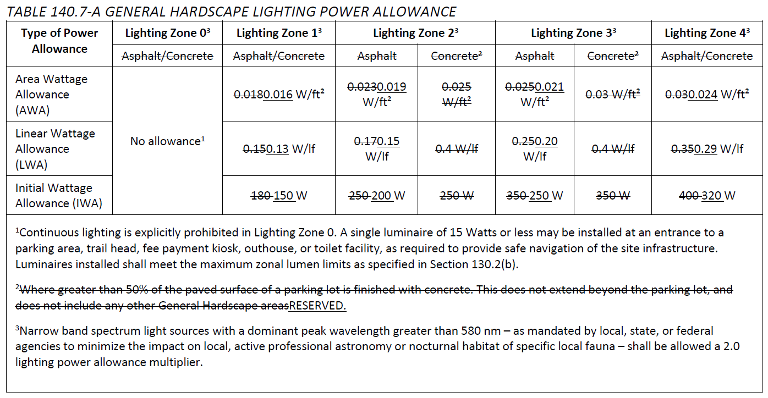
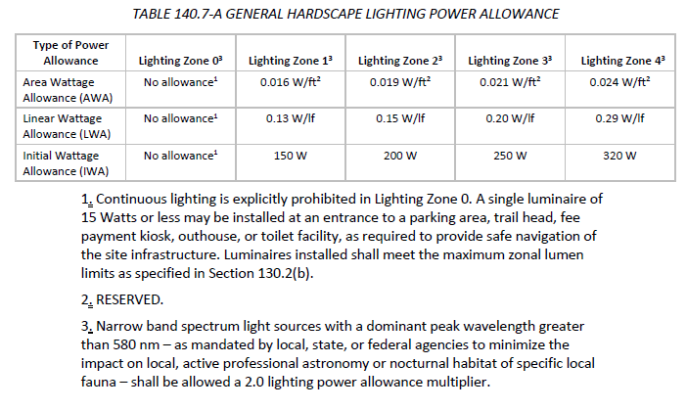
1 FOOTNOTES: Number of entrances to parking areas, trail heads, fee payment kiosks, outhouses and toilet facilities on site where lighting is within project scope. |  | Initial Wattage Allowance for Entire Site (Watts):
 |  | Instances of Initial Wattage Allowance (LZ 0 only)1
 |  | Total General Hardscape Allowance (Watts): |  |  |  |  |  | sum of col05 (AWA) + (G22 (IWA)*instances)

J. Per Application
 |  | User input |  | auto calculated |  |  |  | From another Table |  |  | From look up table

J. LIGHTING ALLOWANCE: PER APPLICATION
This table includes areas using the wattage allowance per application from Table-140.7-B/Table 170.2-S.
01 | 02 | 03 | 04 | 05 | 06 | 07 | 08 | 09 | 10
Area Description | Application per Table 140.7-B1 | CALCULATED ALLOWANCE (Watts) |  |  | DESIGN WATTS |  |  |  | Additional Allowance (Watts)
 |  | # of Locations | Allowance per Location (Watts)2 | Extra Allowance (Watts) | Luminaire Name or Item Tag | Watts per Luminaire3 | # of Luminaires3 | Design Watts
 | Dropdown, see below for list |  | See Table 140.7-B | #VALUE! | Dropdown from Table F. | From table F. |  | #VALUE!
 |  |  |  |  | Dropdown from Table F. | From table F. |  | #VALUE!
 |  |  |  | Total Design Watts for this Area: |  |  |  | sum of column 09 for the area | smaller of J05 or total design watts for area (J09)
1 FOOTNOTES: Primary entrance applications are only available for senior care facilities, healthcare facilities, police stations, hospitals, fire stations, and emergency vehicle facilities. |  |  |  |  |  |  |  | Add Luminaire
2 The Allowance per Location for ATMs is 100W for the first ATM and 35W for each additional per Table 140.7-B/Table 170.2-S. |  |  |  |  |  |  |  | Total Allowance (Watts) All Areas: | sum of column 10 (J10) | NO UPDATES FOR 2022 & SAME FOR MF
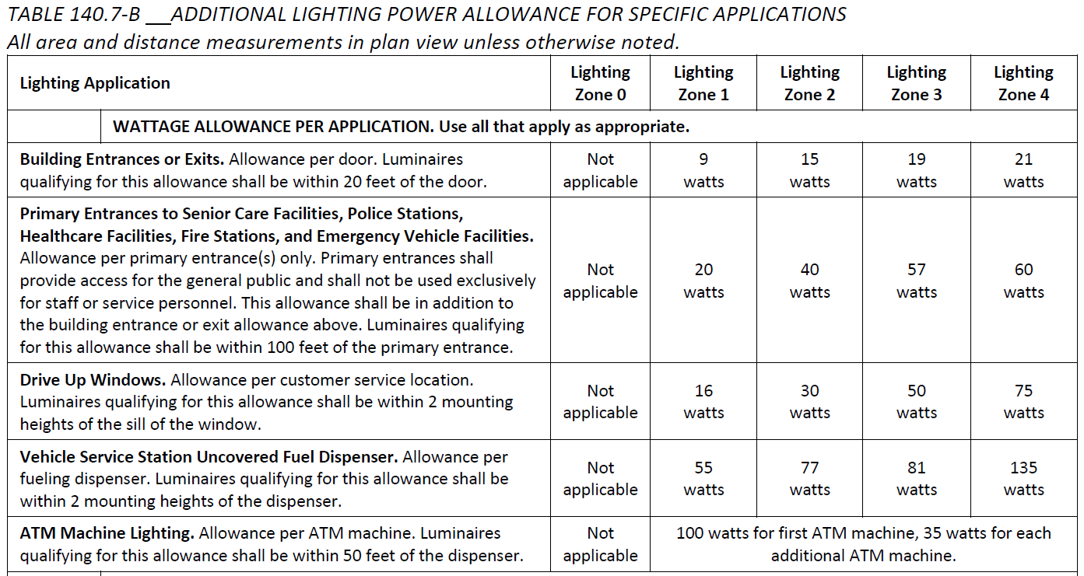
3 For luminaires indicated in Table F as linear, wattage in column 07 is W/lf instead of Watts/luminaire. Total linear feet for the luminaire should be indicated in column 08 instead of number of luminaires.

 | Application per Table 140.7-B dropdown
 | Bldg Entrance/ Exit
 | Primary Entrance (Special)
 | Drive up Window
 | Uncovered Fuel Dispenser
 | ATM Machine

M. Per Specific Area
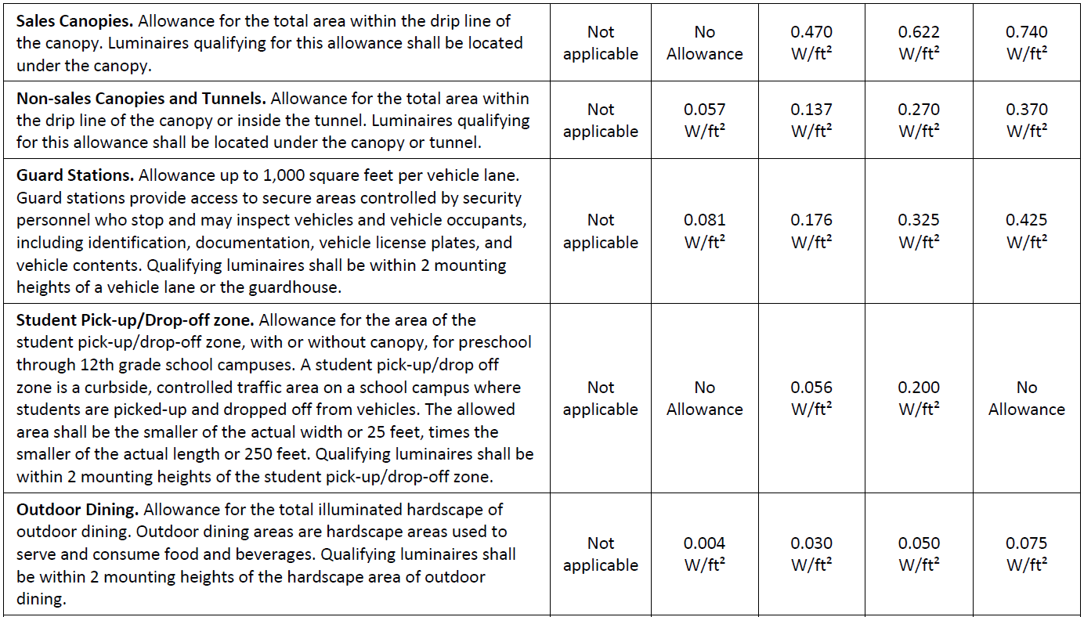
 |  | User input |  | auto calculated |  |  |  | From another Table |  | From look up table

M. LIGHTING ALLOWANCE: PER SPECIFIC AREA
This table includes areas using the wattage allowance per specific area type from Table 140.7-B/Table 170.2-S. More than one specific area allowance may be taken in a single project, if applicable. However, multiple specific area allowances may not be taken for the exact same area on the site.
01 | 02 | 03 | 04 | 05 | 06 | 07 | 08 | 09 | 10
Area Description | Specific Area Type per Table 140.7-B | CALCULATED ALLOWANCE (Watts) |  |  | DESIGN WATTS |  |  |  | Additional Allowance (Watts)
 |  | Specific Area (ft2)1 | Allowed Density (W/ft2) | Extra Allowance (Watts) | Luminaire Name or Item Tag | Watts per Luminaire2 | # of Luminaires2 | Design Watts
 | Dropdown, see below for list |  | See Table 140.7-B | #VALUE! | Dropdown from Table F. | From table F. |  | #VALUE!
 |  |  |  |  | Dropdown from Table F. | From table F. |  | #VALUE! |  |  | ADDED ALLOWANCE FOR SECURITY CAMERAS FOR 2022, SEE LAST IN TABLE. SAME FOR MF!
1 FOOTNOTES: See Table 140.7-B/Table 170.2-S for the rules for calculating the specific areas (ft2) for these additional lighting allowances. |  |  |  | Total Design Watts for this Area: |  |  |  | sum of column 09 for the area | smaller of M05 or total design watts for area (M09)
2 For luminaires indicated in Table F as linear, wattage in column 07 is W/lf instead of Watts/luminaire. Total linear feet for the luminaire should be indicated in column 08 instead of number of luminaires. |  |  |  |  |  |  |  | Add Luminaire
 |  |  |  |  |  |  |  | Total Allowance (Watts) All Areas: | sum of column 10 (M10)
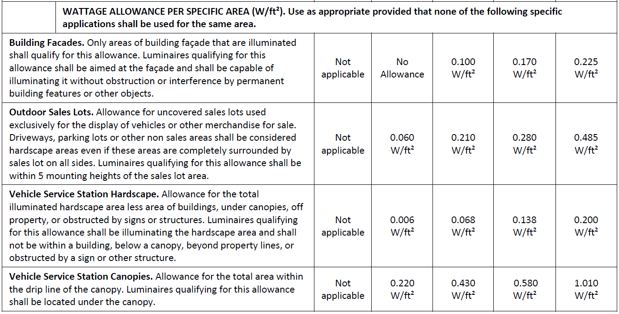
 | Spec. Area per Table 140.7-B dropdown
does not show up for LZ1>> | Bldg Façade
 | Outdoor Sales Lot
 | Service Station Hardscape
 | Service Station Canopy
does not show up for LZ1>> | Sales Canopies
 | Non-sales Canopies/ Tunnels
 | Guard Stations
does not show up for LZ1 or LZ4>> | Student Pick-up/ Drop-off
 | Outdoor Dining
does not show up for LZ4>> | Security for Retail Parking & Pedestrian Hardscape
does not show up for LZ1>> | Security Camera in General Hardscape > 10ft from Bldg

Signature
DOCUMENTATION AUTHOR'S DECLARATION STATEMENT
Documentation Author Name: | Documentation Author Signature:
Company: | Signature Date:
Address: | CEA/AEA/ECC Certification Identification (if applicable):
City/State/Zip: | Phone:
RESPONSIBLE PERSON'S DECLARATION STATEMENT I certify the following under penalty of perjury, under the laws of the State of California: 1. The information provided on this Certificate of Compliance is true and correct. 2. I am eligible under Division 3 of the Business and Professions Code to accept responsibility for the building design or system design identified on this Certificate of Compliance (responsible designer) 3. The energy features and performance specifications, materials, components, and manufactured devices for the building design or system design identified on this Certificate of Compliance conform to the requirements of Title 24, Part 1 and Part 6 of the California Code of Regulations. 4. The building design features or system design features identified on this Certificate of Compliance are consistent with the information provided on other applicable compliance documents, worksheets, calculations, plans and specifications submitted to the enforcement agency for approval with this building permit application. 5. I will ensure that a completed signed copy of this Certificate of Compliance shall be made available with the building permit(s) issued for the building, and made available to the enforcement agency for all applicable inspections. I understand that a completed signed copy of this Certificate of Compliance is required to be included with the documentation the builder provides to the building owner at occupancy.
Responsible Designer Name: | Responsible Designer Signature:
Responsible Person Scope
Company: | Date Signed:
Address: | License:
City/State/Zip: | Phone:
Add Responsible Person
Remove Last

Tool Tip:
[d:OnlyUI] The compliance documentation is not complete until the Documentation Author and Responsible Designer fill out and sign the NRCC-LTS form. [d:/OnlyUI]

